perceptron
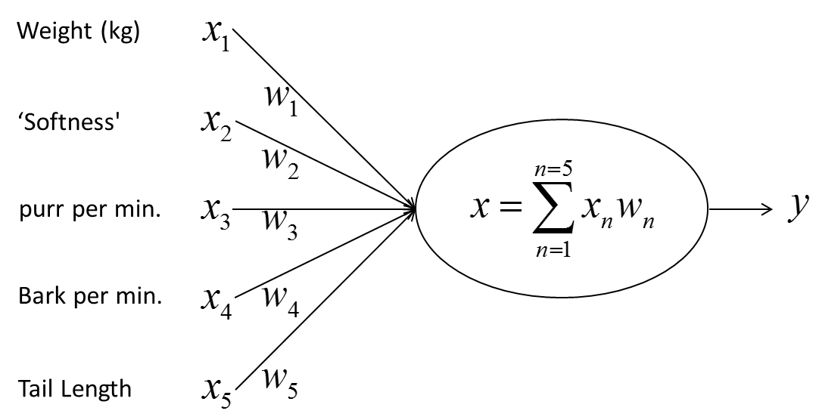

Iter | x1 | x2 | x3 | x4 | x5 | t | w1 | w2 | w3 | w4 | w5 | L.R. | Delta
 |  |  |  |  |  |  | 0.2 | 0.3 | 0.9 | -0.2 | 0.1 | 0.5
Iter1 | 0.2 | 0.8 | 0.3 | 0 | 0.7 | 1 | 0.238 | 0.452 | 0.957 | -0.200 | 0.233 | 0.450 | 0.380
Iter2 | 0.3 | 0.7 | 0.2 | 0 | 0.4 | 1 | 0.282 | 0.555 | 0.986 | -0.200 | 0.292 | 0.400 | 0.328
Iter3 | 0.6 | 0.1 | 0 | 0.4 | 0.7 | 0 | 0.198 | 0.541 | 0.986 | -0.256 | 0.194 | 0.350 | -0.349
Iter4 | 0.7 | 0.2 | 0 | 0.5 | 0.8 | 0 | 0.131 | 0.522 | 0.986 | -0.304 | 0.117 | 0.300 | -0.275
Iter5 | 0.2 | 0.8 | 0.3 | 0 | 0.6 | 1 | 0.143 | 0.568 | 1.004 | -0.304 | 0.151 | 0.250 | 0.190
Iter6 | 0.2 | 0.8 | 0.3 | 0 | 0.7 | 1 | 0.148 | 0.590 | 1.012 | -0.304 | 0.171 | 0.200 | 0.110
Iter7 | 0.3 | 0.7 | 0.2 | 0 | 0.4 | 1 | 0.164 | 0.628 | 1.023 | -0.304 | 0.193 | 0.150 | 0.272
Iter8 | 0.6 | 0.1 | 0 | 0.4 | 0.7 | 0 | 0.149 | 0.625 | 1.023 | -0.314 | 0.174 | 0.100 | -0.175
Iter9 | 0.7 | 0.2 | 0 | 0.5 | 0.8 | 0 | 0.134 | 0.621 | 1.023 | -0.325 | 0.157 | 0.050 | -0.211
Iter10 | 0.2 | 0.8 | 0.3 | 0 | 0.6 | 1 | 0.135 | 0.624 | 1.024 | -0.325 | 0.160 | 0.000 | 0.075

AnimalX | 0.5 | 0.6 | 0.1 | 0.6 | 0.4 | 0.41289828105

MLP
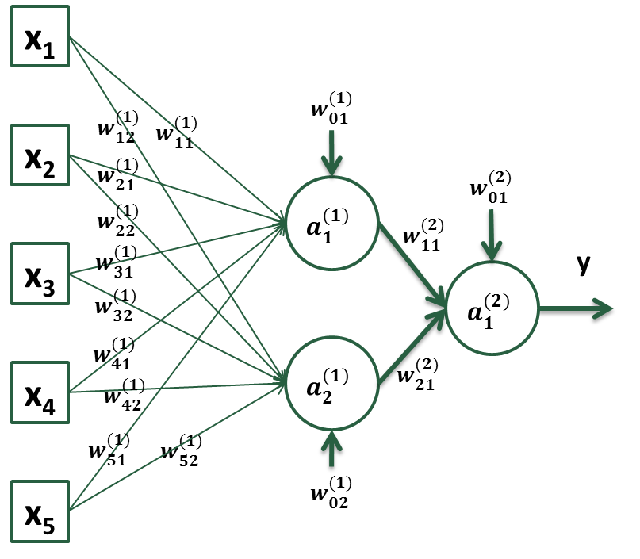
$${Err}_{a_{1}^{(1)}}=a_{1}^{(1)}\left(1−a_{1}^{(1)}\right)\sum_{k}{{Err}_{k}w_{jk}}$$

$w_{11}^{(2)}$=$w_{11}^{(2)}+$ $α$ $∗{Err}_{a_{1}^{\left(2\right)}}a_{1}^{(1)}$

${Err}_{a_{1}^{(2)}}=a_{1}^{(2)}(1−a_{1}^{(2)})(T_{j}$-$a_{1}^{(2)}$)

Iter | x1 | x2 | x3 | x4 | x5 | t | w(1)01 | w(1)02 | w(1)11 | w(1)12 | w(1)21 | w(1)22 | w(1)31 | w(1)32 | w(1)41 | w(1)42 | w(1)51 | w(1)52 | z(1)1 | z(1)2 | a(1)1 | a(1)2 | w(2)01 | w(2)11 | w(2)21 | z(2)1 | a(2)1 | L.R. | Err_a(2)1 | Err_a(1)1 | Err_a(1)2
 |  |  |  |  |  |  | 0.500 | 0.300 | 0.300 | 0.900 | -0.200 | 0.100 | 0.300 | 0.900 | -0.200 | 0.100 | 0.300 | 0.900 |  |  |  |  | -0.200 | 0.800 | -0.200
Iter1 | 0.2 | 0.8 | 0.3 | 0 | 0.7 | 1 |  |  |  |  |  |  |  |  |  |  |  |  | 0.700 | 1.460 | 0.668 | 0.812 |  |  |  | 0.172 | 0.543 | 0.500 | 0.113 | 0.020 | -0.003
 |  |  |  |  |  |  | 0.510 | 0.298 | 0.302 | 0.900 | -0.192 | 0.099 | 0.303 | 0.899 | -0.200 | 0.100 | 0.307 | 0.899 |  |  |  |  | -0.143 | 0.838 | -0.154
Iter2 | 0.3 | 0.7 | 0.2 | 0 | 0.4 | 1 |  |  |  |  |  |  |  |  |  |  |  |  | 0.650 | 1.177 | 0.657 | 0.764 |  |  |  | 0.289 | 0.572 | 0.450 | 0.105 | 0.020 | -0.003
 |  |  |  |  |  |  | 0.519 | 0.297 | 0.305 | 0.899 | -0.186 | 0.098 | 0.305 | 0.899 | -0.200 | 0.100 | 0.311 | 0.898 |  |  |  |  | -0.096 | 0.869 | -0.118
Iter3 | 0.6 | 0.1 | 0 | 0.4 | 0.7 | 0 |  |  |  |  |  |  |  |  |  |  |  |  | 0.821 | 1.515 | 0.694 | 0.820 |  |  |  | 0.411 | 0.601 | 0.400 | -0.144 | -0.027 | 0.003
 |  |  |  |  |  |  | 0.508 | 0.298 | 0.298 | 0.900 | -0.187 | 0.098 | 0.305 | 0.899 | -0.198 | 0.100 | 0.303 | 0.899 |  |  |  |  | -0.154 | 0.829 | -0.165
Iter4 | 0.7 | 0.2 | 0 | 0.5 | 0.8 | 0 |  |  |  |  |  |  |  |  |  |  |  |  | 0.823 | 1.717 | 0.695 | 0.848 |  |  |  | 0.282 | 0.570 | 0.350 | -0.140 | -0.025 | 0.003
 |  |  |  |  |  |  | 0.500 | 0.299 | 0.292 | 0.901 | -0.188 | 0.098 | 0.305 | 0.899 | -0.197 | 0.101 | 0.296 | 0.900 |  |  |  |  | -0.203 | 0.795 | -0.207
Iter5 | 0.2 | 0.8 | 0.3 | 0 | 0.6 | 1 |  |  |  |  |  |  |  |  |  |  |  |  | 0.677 | 1.367 | 0.663 | 0.797 |  |  |  | 0.160 | 0.540 | 0.300 | 0.114 | 0.020 | -0.004
 |  |  |  |  |  |  | 0.506 | 0.298 | 0.294 | 0.900 | -0.184 | 0.097 | 0.307 | 0.899 | -0.197 | 0.101 | 0.300 | 0.899 |  |  |  |  | -0.168 | 0.818 | -0.179
Iter6 | 0.2 | 0.8 | 0.3 | 0 | 0.7 | 1 |  |  |  |  |  |  |  |  |  |  |  |  | 0.720 | 1.455 | 0.673 | 0.811 |  |  |  | 0.236 | 0.559 | 0.250 | 0.109 | 0.020 | -0.003
 |  |  |  |  |  |  | 0.511 | 0.297 | 0.294 | 0.900 | -0.180 | 0.096 | 0.308 | 0.899 | -0.197 | 0.101 | 0.303 | 0.899 |  |  |  |  | -0.141 | 0.836 | -0.157
Iter7 | 0.3 | 0.7 | 0.2 | 0 | 0.4 | 1 |  |  |  |  |  |  |  |  |  |  |  |  | 0.656 | 1.174 | 0.658 | 0.764 |  |  |  | 0.289 | 0.572 | 0.200 | 0.105 | 0.020 | -0.003
 |  |  |  |  |  |  | 0.515 | 0.297 | 0.296 | 0.900 | -0.177 | 0.096 | 0.309 | 0.899 | -0.197 | 0.101 | 0.305 | 0.898 |  |  |  |  | -0.120 | 0.850 | -0.141
Iter8 | 0.6 | 0.1 | 0 | 0.4 | 0.7 | 0 |  |  |  |  |  |  |  |  |  |  |  |  | 0.809 | 1.515 | 0.692 | 0.820 |  |  |  | 0.352 | 0.587 | 0.150 | -0.142 | -0.026 | 0.003
 |  |  |  |  |  |  | 0.511 | 0.297 | 0.293 | 0.900 | -0.177 | 0.096 | 0.309 | 0.899 | -0.195 | 0.101 | 0.302 | 0.899 |  |  |  |  | -0.142 | 0.835 | -0.159
Iter9 | 0.7 | 0.2 | 0 | 0.5 | 0.8 | 0 |  |  |  |  |  |  |  |  |  |  |  |  | 0.825 | 1.716 | 0.695 | 0.848 |  |  |  | 0.304 | 0.576 | 0.100 | -0.141 | -0.025 | 0.003
 |  |  |  |  |  |  | 0.508 | 0.297 | 0.292 | 0.901 | -0.178 | 0.096 | 0.309 | 0.899 | -0.194 | 0.101 | 0.300 | 0.899 |  |  |  |  | -0.156 | 0.825 | -0.171
Iter10 | 0.2 | 0.8 | 0.3 | 0 | 0.6 | 1 |  |  |  |  |  |  |  |  |  |  |  |  | 0.697 | 1.363 | 0.668 | 0.796 |  |  |  | 0.259 | 0.564 | 0.050 | 0.107 | 0.020 | -0.003
 |  |  |  |  |  |  | 0.509 | 0.297 | 0.292 | 0.900 | -0.177 | 0.096 | 0.309 | 0.898 | -0.194 | 0.101 | 0.301 | 0.899 |  |  |  |  | -0.150 | 0.829 | -0.166

AnimalX | 1 | 0 | 1 | 0 | 1 |  |  |  |  |  |  |  |  |  |  |  |  |  | 1.411 | 2.995 | 0.804 | 0.952 |  |  |  | 0.358 | 0.588 | 0.000 | -0.143 | -0.019 | 0.001

